Sheet1
 |  | Document No. | Issue No. | Issue Date |  | Review and Replace Date |  | Authorised By
 |  | GFF429MC | 2 | 05.01.2024 |  | 02.06.2025
 |  | Document Title | Gc- 25 Duck Springroll 50g | 1250G
 |  |  |  |  |  |  |  | Magda Shah
Document amendments reason for change |  | Blue bag -Supplier changed | Page 1 of 1 |  | Previous Issue Date |  | 05.01.2024 | Uncontrolled copy unless signed original

PACK DAY + 1 YEAR
NON-MAP PACK
FDSRM-B25B | Gazebo (BULK-SNACKS) |  | Gc- 25 Duck Springroll 50g| 1250G
STEP 1 |  |  |  |  | STEP 2
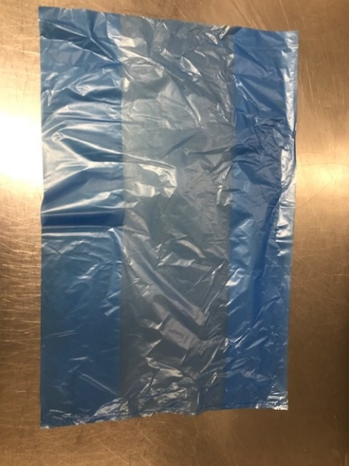

Bag: 13 X20 X20 BLUE TINT BAGS -PKPMC001-02 |  |  |  |  | Gc- 25 Duck Springroll 50g | 1250G- ( GFF452R)

STEP 3
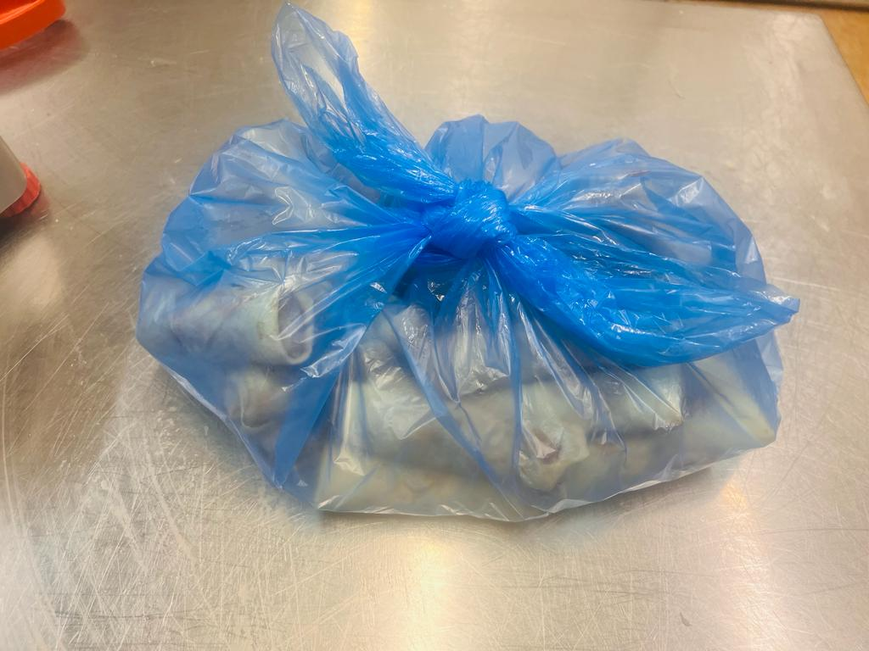

TOTAL WEIGHT: 1250g

ALLERGY ALERT: Wheat, Soya, Sesame,Milk

